Booking Example
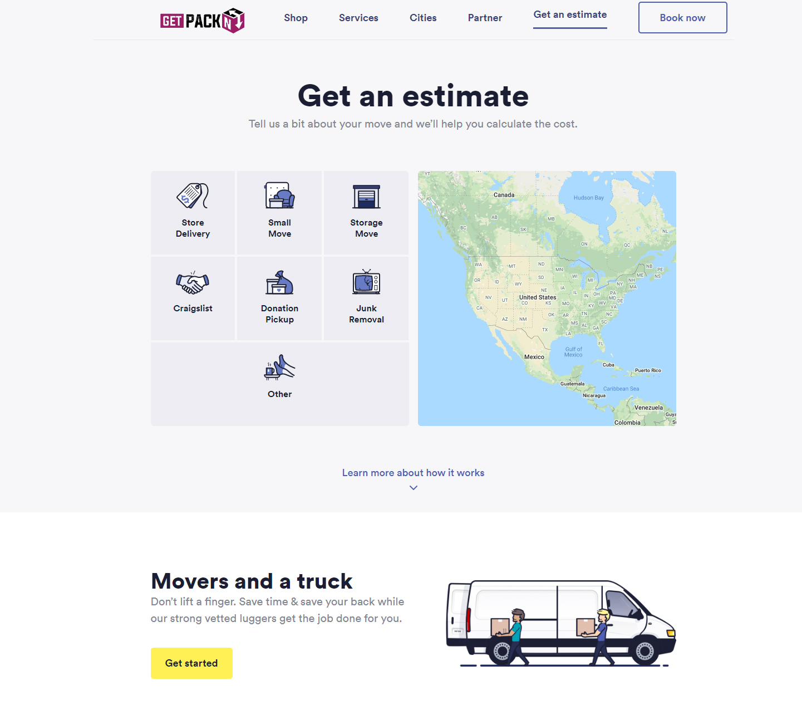
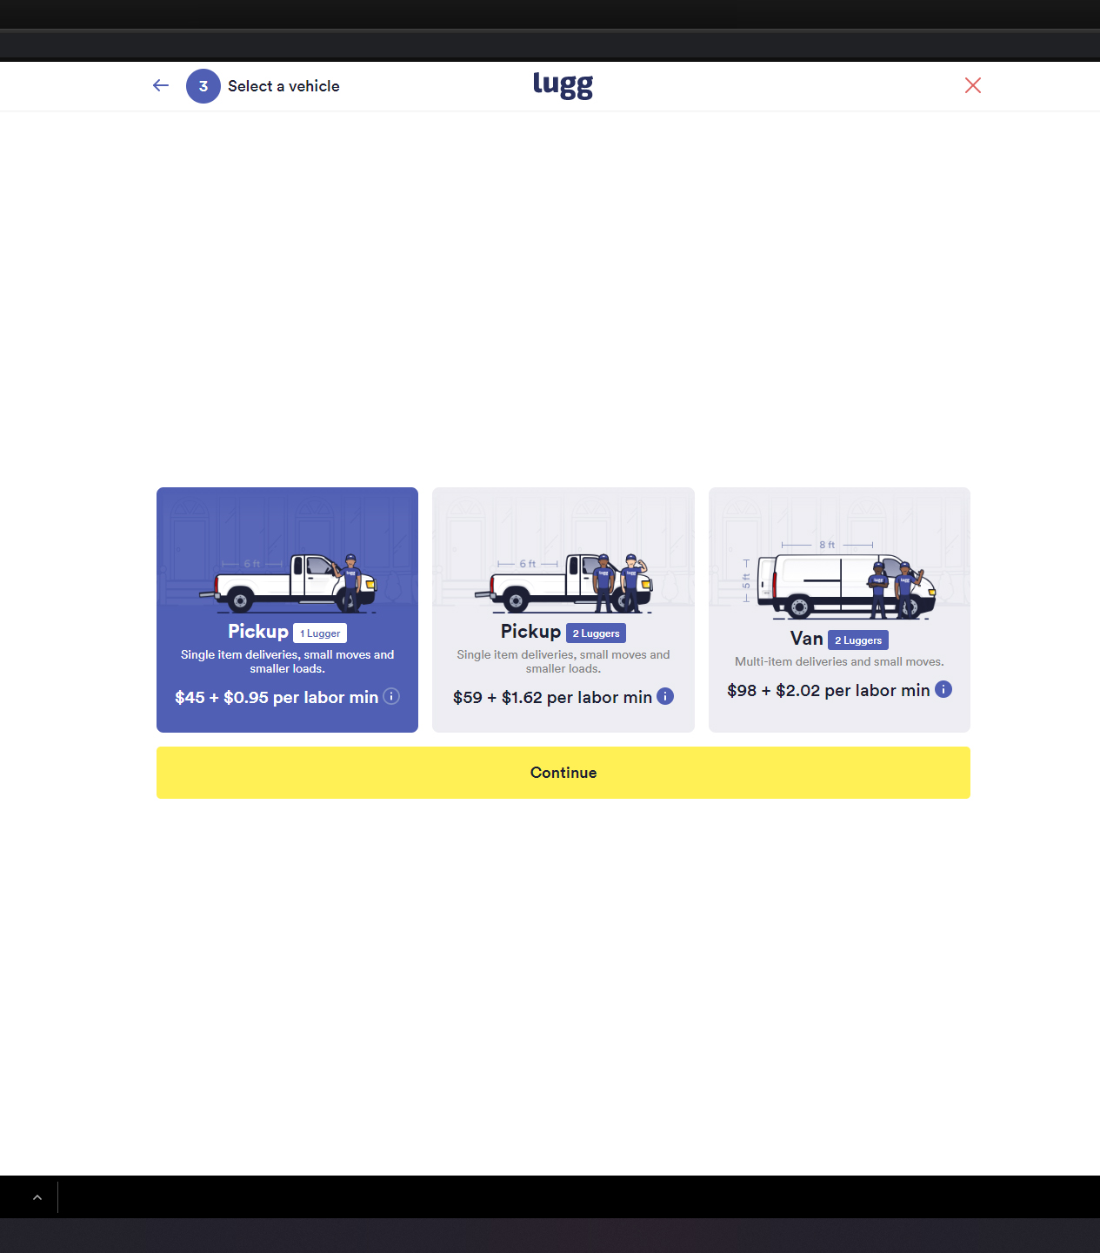
STEP 1 = 00.JPG | Starting Address = A 9984 James St… | 24Miles @ $1.75 = $42
 | Ending Address = B 7745 Luke Dr…. | A to B = 34Min Drive

STEP 2 = 01.JPG / 02.JPG | Moving Type
 | Home Move | Home Move = + $75
 | Office Move
 | Storage Move
 | Special Event
 | Other Move
STEP 3 = 03.JPG | Service Package Types
 | Small Apartment
 | 1-2 Bedroom | Packaged Items = $75
 | 2-3 Bedroom
 | 3-4 Bedroom

STEP 4 = 03.JPG | Services Items Included
 | 45 X RENTAL ITEM # | ADD 400 Cargo Points
 | 1 Hour of Loading help (Load/UnLoad) x 2 Person | ADD 1 Hour to service time
 | DEPOSIT $50 | $50
 | 3 X # 1 BULK ITEM | ADD 250 cargo points
 | 2 X # 2 BULK ITEM | ADD 250 cargo points
 | Customer can ADD OR REMOVE ITEMS
 | 1 x HELPER @ $42 PER HOUR BILLED PER MIN AFTER INCLUDED TIME IS UP | NOTHING TO BILL

 | Included in this package is 1 helper would you like to add more?
 | Yes / No

 | Your Assigned Truck is a 16' Moving Truck
 | What bulky Items will you be moving?
 | Type Field - Customer can type notes or anything here
 | # 1 BULK ITEMS | # 2 BULK ITEMS
 | (+) 1 x WASHER | MAX CARGO POINTS FOR PACKAGE IS 1000 POINTS
 | (+) 1 X DRYER
 | (+) 1 x BED
 | Additional trips would be $42 rount trip Flat Fee | A to B = 34Min Drive
 | NOTES / APARTMENT INFO | 24Miles @ $1.75 = $42

STEP 5 = 04.JPG
 | Show current month default
 | Your service Includes a delivery of moving supplies
 | What day / time will you be avaliable for delivery?

 | You can schedule your moving date now or later
 | When do you plan on returning your rented items

STEP 6 = 05.JPG | Contact Information

STEP 7 = 06.JPG | Sign Contract
STEP 8= 06.JPG | Pay any deposits required from orders

